Throughput by Time
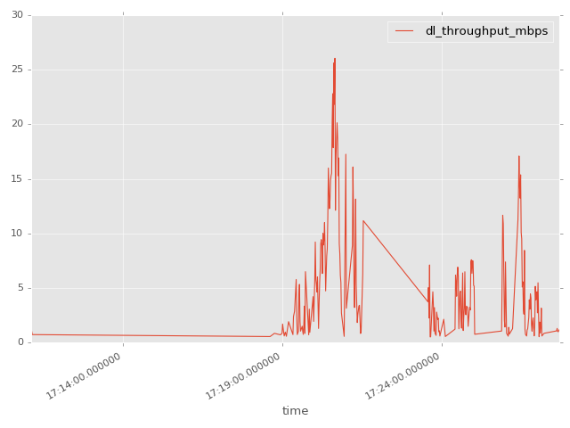
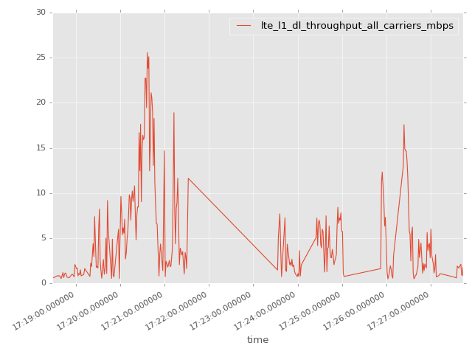
App Throughput by Time Graph | LTE Throughput by Time Graph

gsm_rxlev_sub_dbm
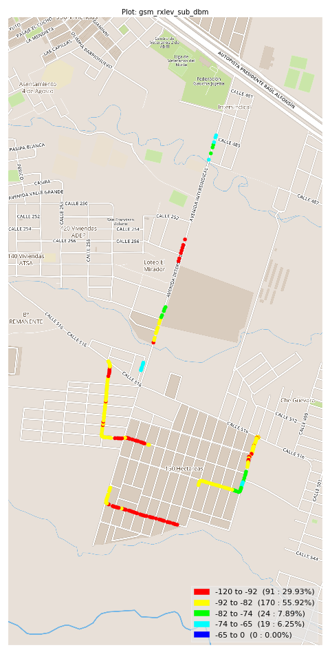
gsm_rxlev_sub_dbm Report

Sampling Distribution Histogram
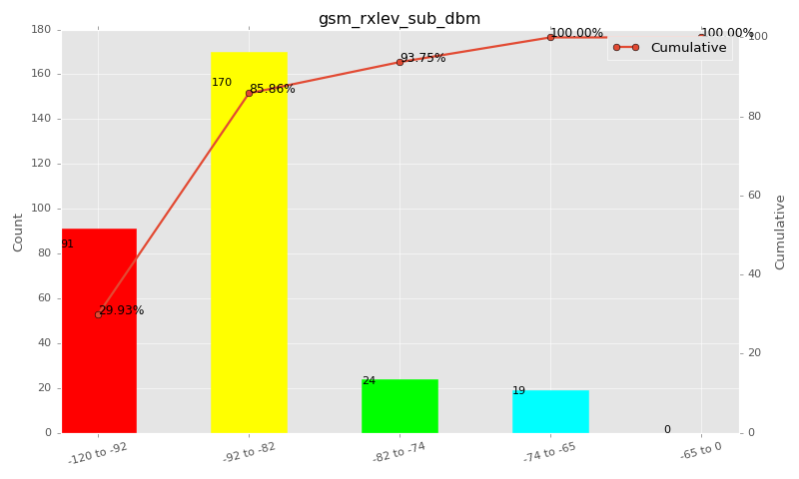

Sampling Distribution Table (first 10 ranges)
ColorXml | Lower | Upper | N Samples | Range | % | Cumulative %
 | -120 | -92 | 91 | -120 to -92 | 29.93 | 29.93
 | -92 | -82 | 170 | -92 to -82 | 55.92 | 85.86
 | -82 | -74 | 24 | -82 to -74 | 7.89 | 93.75
 | -74 | -65 | 19 | -74 to -65 | 6.25 | 100.00
 | -65 | 0 | 0 | -65 to 0 | 0.00 | 100.00

Basic statistics
N | 304
Mean | -88.71
SD | 6.61
MAX | -68.00
Median | -90.00
Min | -100.00

Geographical Plot

gsm_rxqual_sub
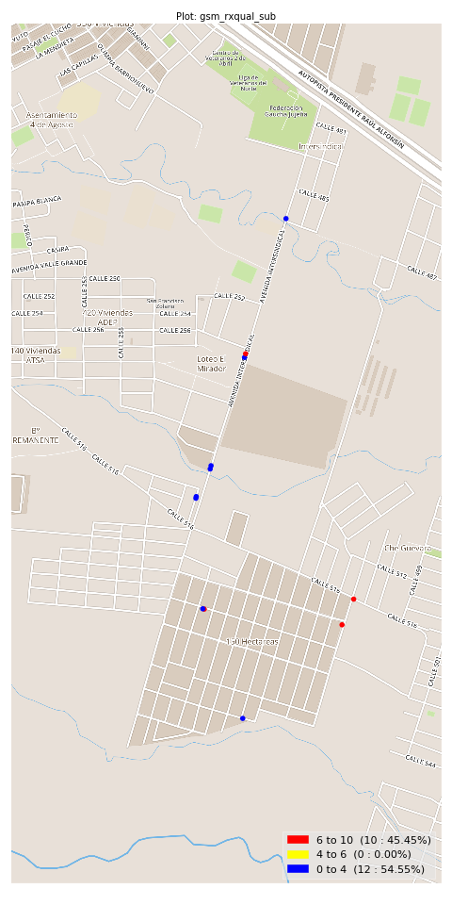
gsm_rxqual_sub Report

Sampling Distribution Histogram
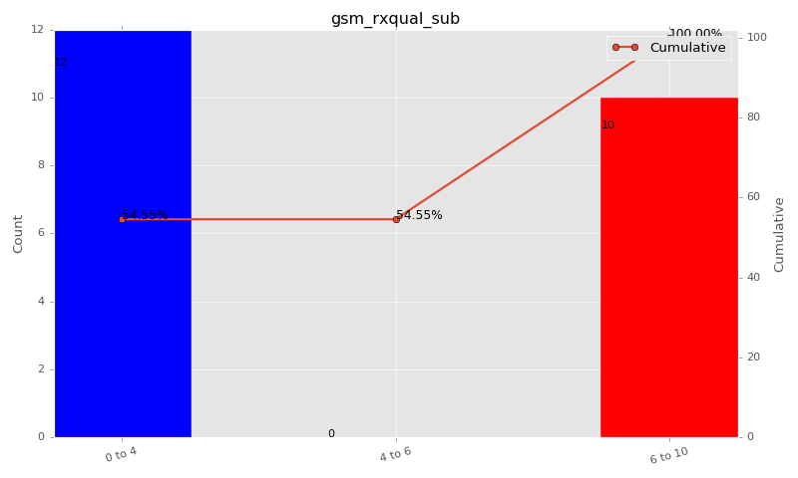

Sampling Distribution Table (first 10 ranges)
ColorXml | Lower | Upper | N Samples | Range | % | Cumulative %
 | 0 | 4 | 12 | 0 to 4 | 54.55 | 54.55
 | 4 | 6 | 0 | 4 to 6 | 0.00 | 54.55
 | 6 | 10 | 10 | 6 to 10 | 45.45 | 100.00

Basic statistics
N | 22
Mean | 3.23
SD | 3.53
MAX | 7.00
Median | 0.50
Min | 0.00

Geographical Plot

gsm_arfcn_bcch
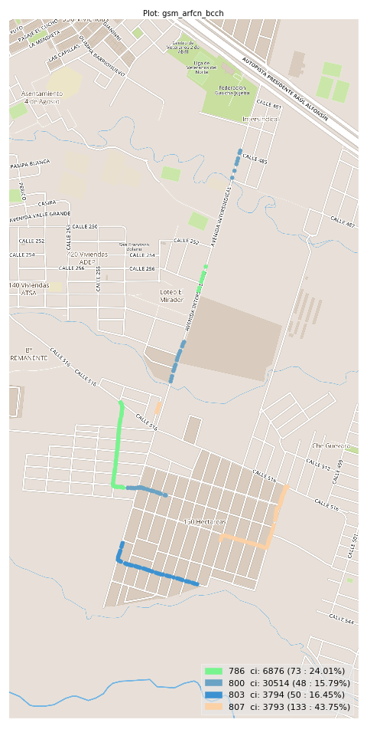
gsm_arfcn_bcch Report

Sampling Distribution Histogram
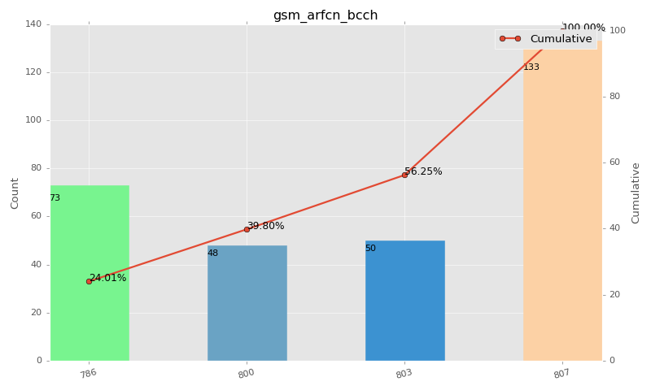

Sampling Distribution Table (first 10 ranges)
ColorXml | Lower | Upper | match_value | N Samples | Range | % | Cumulative %
 |  |  | 786 | 73 |  | 24.01 | 24.01
 |  |  | 800 | 48 |  | 15.79 | 39.80
 |  |  | 803 | 50 |  | 16.45 | 56.25
 |  |  | 807 | 133 |  | 43.75 | 100.00

Basic statistics
N | 304
Mean | N/A (id-type column: gsm_arfcn_bcch)
SD | N/A (id-type column: gsm_arfcn_bcch)
MAX | N/A (id-type column: gsm_arfcn_bcch)
Median | N/A (id-type column: gsm_arfcn_bcch)
Min | N/A (id-type column: gsm_arfcn_bcch)

Geographical Plot

lte_l1_dl_throughput_all_carri
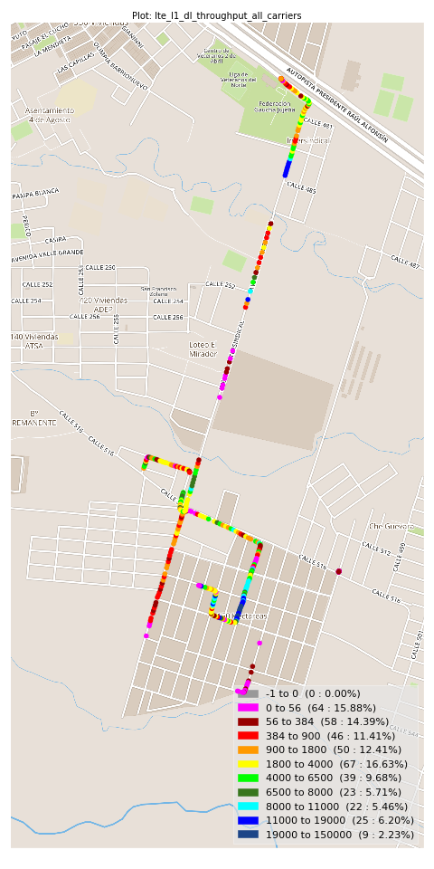
lte_l1_dl_throughput_all_carriers Report

Sampling Distribution Histogram
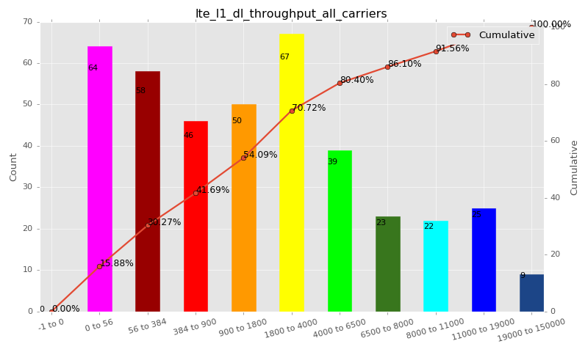

Sampling Distribution Table (first 10 ranges)
ColorXml | Lower | Upper | N Samples | Range | % | Cumulative %
 | -1 | 0 | 0 | -1 to 0 | 0.00 | 0.00
 | 0 | 56 | 64 | 0 to 56 | 15.88 | 15.88
 | 56 | 384 | 58 | 56 to 384 | 14.39 | 30.27
 | 384 | 900 | 46 | 384 to 900 | 11.41 | 41.69
 | 900 | 1800 | 50 | 900 to 1800 | 12.41 | 54.09
 | 1800 | 4000 | 67 | 1800 to 4000 | 16.63 | 70.72
 | 4000 | 6500 | 39 | 4000 to 6500 | 9.68 | 80.40
 | 6500 | 8000 | 23 | 6500 to 8000 | 5.71 | 86.10
 | 8000 | 11000 | 22 | 8000 to 11000 | 5.46 | 91.56
 | 11000 | 19000 | 25 | 11000 to 19000 | 6.20 | 97.77

Basic statistics
N | 403
Mean | 3553.18
SD | 4897.01
MAX | 25563.52
Median | 1436.99
Min | 2.06

Geographical Plot

lte_inst_rsrp_1
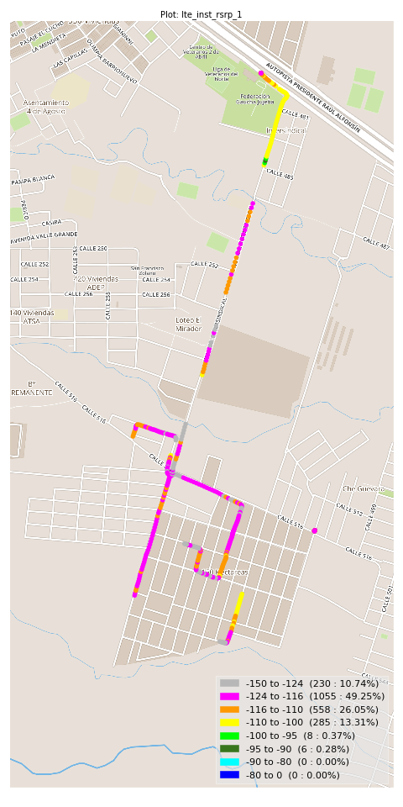
lte_inst_rsrp_1 Report

Sampling Distribution Histogram
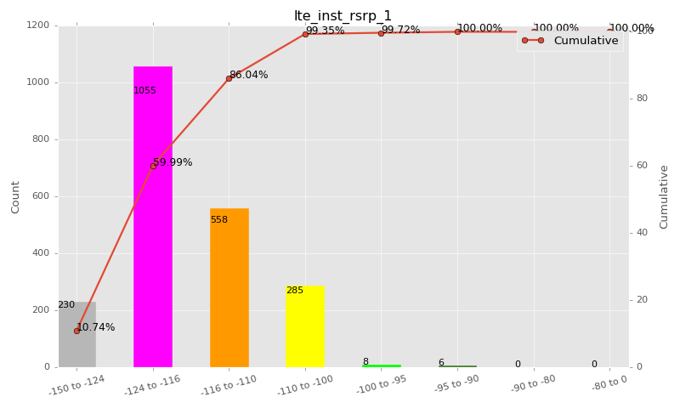

Sampling Distribution Table (first 10 ranges)
ColorXml | Lower | Upper | N Samples | Range | % | Cumulative %
 | -150 | -124 | 230 | -150 to -124 | 10.74 | 10.74
 | -124 | -116 | 1055 | -124 to -116 | 49.25 | 59.99
 | -116 | -110 | 558 | -116 to -110 | 26.05 | 86.04
 | -110 | -100 | 285 | -110 to -100 | 13.31 | 99.35
 | -100 | -95 | 8 | -100 to -95 | 0.37 | 99.72
 | -95 | -90 | 6 | -95 to -90 | 0.28 | 100.00
 | -90 | -80 | 0 | -90 to -80 | 0.00 | 100.00
 | -80 | 0 | 0 | -80 to 0 | 0.00 | 100.00

Basic statistics
N | 2142
Mean | -116.85
SD | 6.15
MAX | -91.33
Median | -116.88
Min | -137.11

Geographical Plot

lte_inst_rsrq_1
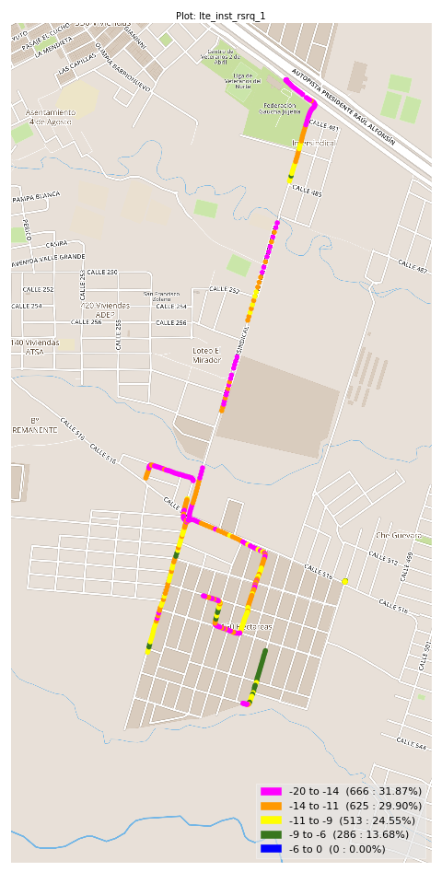
lte_inst_rsrq_1 Report

Sampling Distribution Histogram
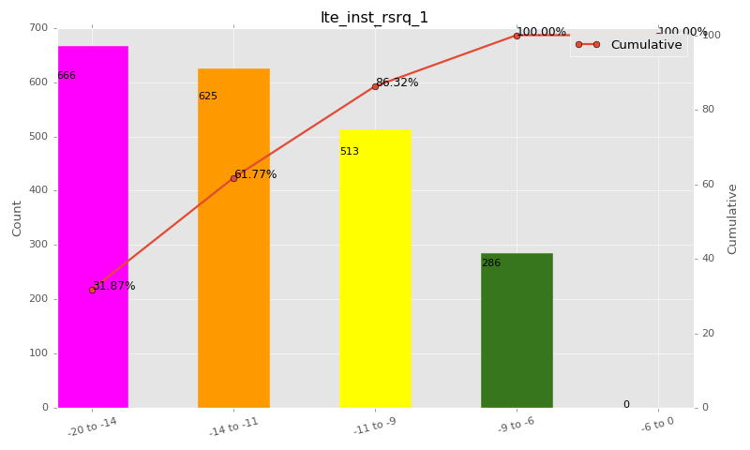

Sampling Distribution Table (first 10 ranges)
ColorXml | Lower | Upper | N Samples | Range | % | Cumulative %
 | -20 | -14 | 666 | -20 to -14 | 31.87 | 31.87
 | -14 | -11 | 625 | -14 to -11 | 29.90 | 61.77
 | -11 | -9 | 513 | -11 to -9 | 24.55 | 86.32
 | -9 | -6 | 286 | -9 to -6 | 13.68 | 100.00
 | -6 | 0 | 0 | -6 to 0 | 0.00 | 100.00

Basic statistics
N | 2142
Mean | -12.78
SD | 3.45
MAX | -6.64
Median | -12.05
Min | -24.36

Geographical Plot

lte_inst_rssi_1
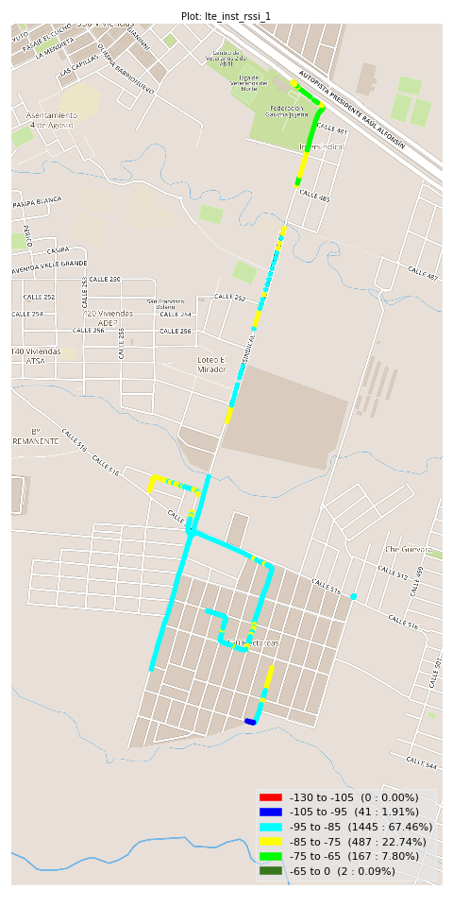
lte_inst_rssi_1 Report

Sampling Distribution Histogram
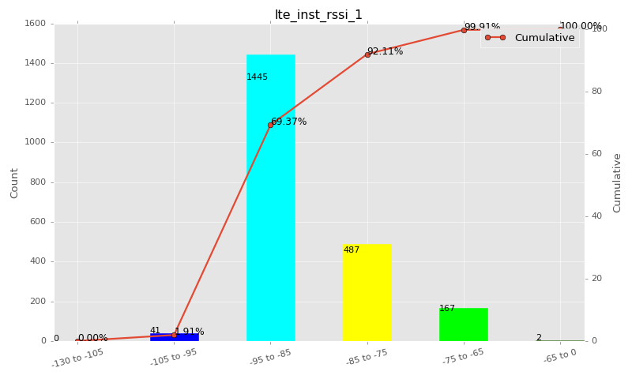

Sampling Distribution Table (first 10 ranges)
ColorXml | Lower | Upper | N Samples | Range | % | Cumulative %
 | -130 | -105 | 0 | -130 to -105 | 0.00 | 0.00
 | -105 | -95 | 41 | -105 to -95 | 1.91 | 1.91
 | -95 | -85 | 1445 | -95 to -85 | 67.46 | 69.37
 | -85 | -75 | 487 | -85 to -75 | 22.74 | 92.11
 | -75 | -65 | 167 | -75 to -65 | 7.80 | 99.91
 | -65 | 0 | 2 | -65 to 0 | 0.09 | 100.00

Basic statistics
N | 2142
Mean | -86.42
SD | 5.98
MAX | -64.06
Median | -88.22
Min | -97.51

Geographical Plot

lte_sinr_rx0_1
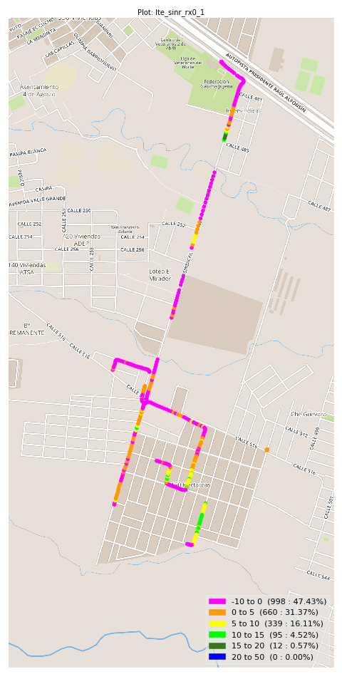
lte_sinr_rx0_1 Report

Sampling Distribution Histogram
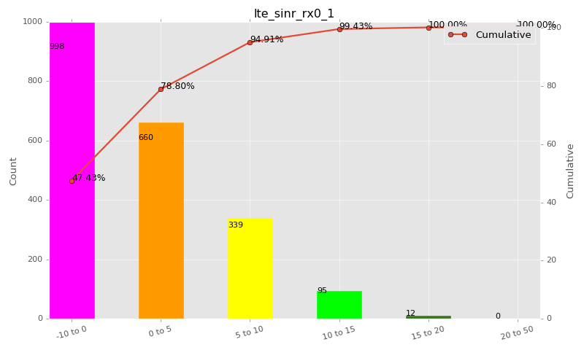

Sampling Distribution Table (first 10 ranges)
ColorXml | Lower | Upper | N Samples | Range | % | Cumulative %
 | -10 | 0 | 998 | -10 to 0 | 47.43 | 47.43
 | 0 | 5 | 660 | 0 to 5 | 31.37 | 78.80
 | 5 | 10 | 339 | 5 to 10 | 16.11 | 94.91
 | 10 | 15 | 95 | 10 to 15 | 4.52 | 99.43
 | 15 | 20 | 12 | 15 to 20 | 0.57 | 100.00
 | 20 | 50 | 0 | 20 to 50 | 0.00 | 100.00

Basic statistics
N | 2140
Mean | 0.28
SD | 5.76
MAX | 19.46
Median | 0.32
Min | -13.04

Geographical Plot

lte_sinr_rx1_1
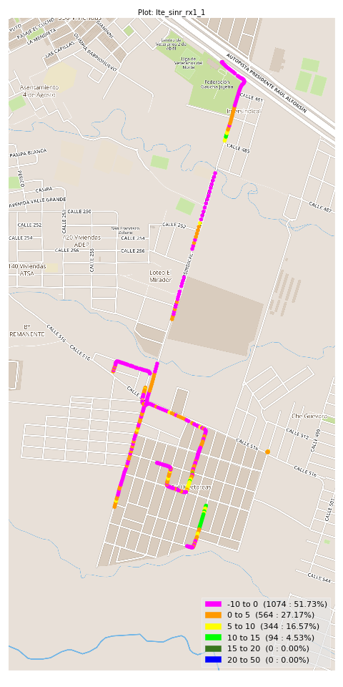
lte_sinr_rx1_1 Report

Sampling Distribution Histogram
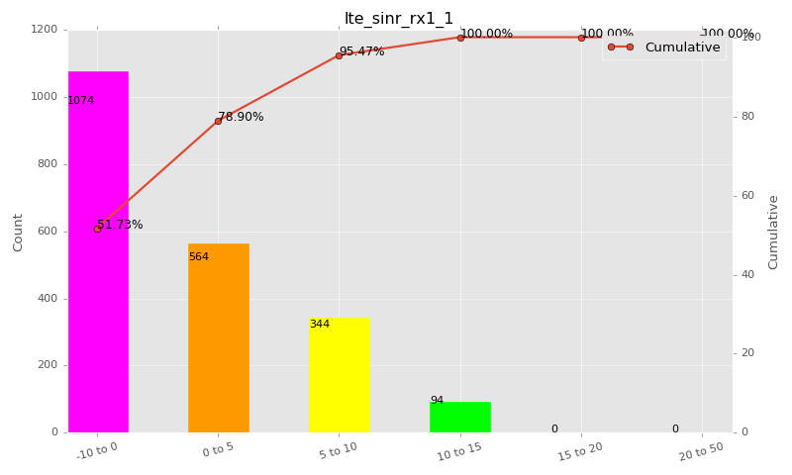

Sampling Distribution Table (first 10 ranges)
ColorXml | Lower | Upper | N Samples | Range | % | Cumulative %
 | -10 | 0 | 1074 | -10 to 0 | 51.73 | 51.73
 | 0 | 5 | 564 | 0 to 5 | 27.17 | 78.90
 | 5 | 10 | 344 | 5 to 10 | 16.57 | 95.47
 | 10 | 15 | 94 | 10 to 15 | 4.53 | 100.00
 | 15 | 20 | 0 | 15 to 20 | 0.00 | 100.00
 | 20 | 50 | 0 | 20 to 50 | 0.00 | 100.00

Basic statistics
N | 2142
Mean | -0.30
SD | 5.77
MAX | 14.88
Median | -0.53
Min | -16.20

Geographical Plot

lte_physical_cell_id_1
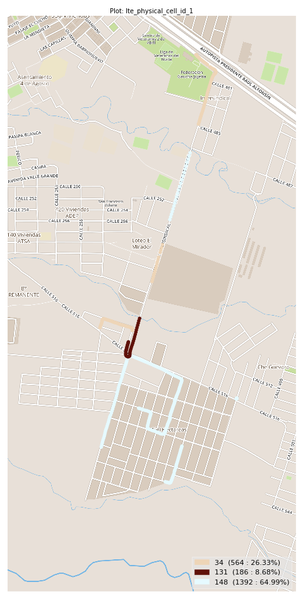
lte_physical_cell_id_1 Report

Sampling Distribution Histogram
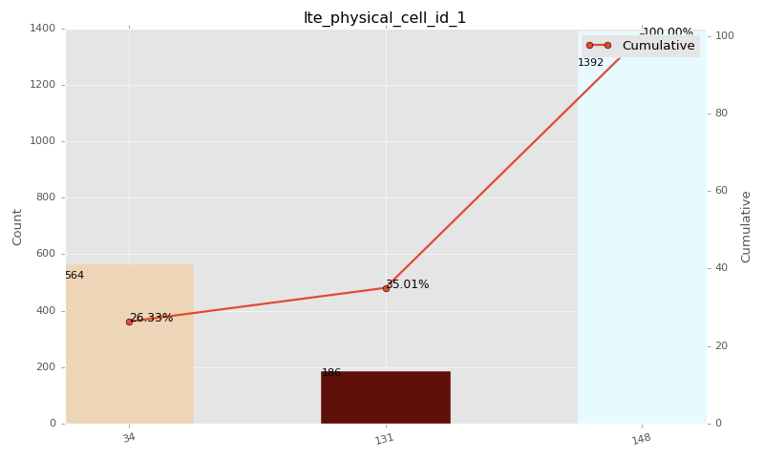

Sampling Distribution Table (first 10 ranges)
ColorXml | Lower | Upper | match_value | N Samples | Range | % | Cumulative %
 |  |  | 34 | 564 |  | 26.33 | 26.33
 |  |  | 131 | 186 |  | 8.68 | 35.01
 |  |  | 148 | 1392 |  | 64.99 | 100.00

Basic statistics
N | 2142
Mean | N/A (id-type column: lte_physical_cell_id_1)
SD | N/A (id-type column: lte_physical_cell_id_1)
MAX | N/A (id-type column: lte_physical_cell_id_1)
Median | N/A (id-type column: lte_physical_cell_id_1)
Min | N/A (id-type column: lte_physical_cell_id_1)

Geographical Plot

lte_earfcn_1
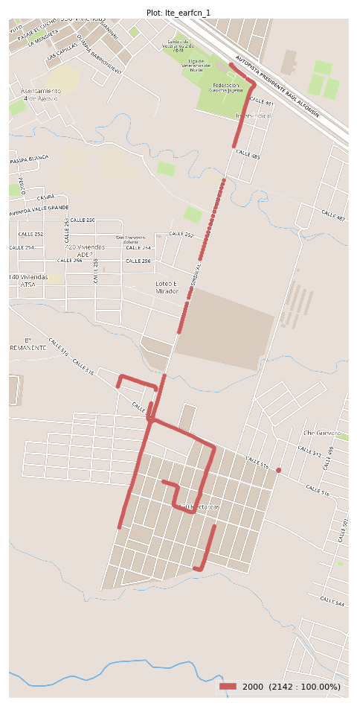
lte_earfcn_1 Report

Sampling Distribution Histogram
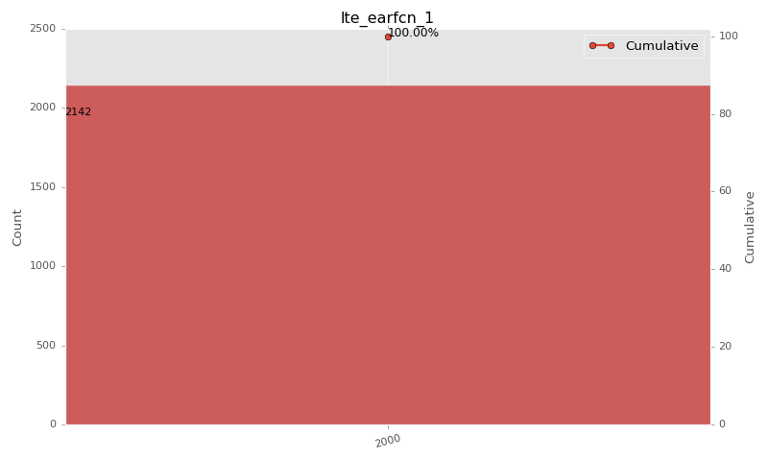

Sampling Distribution Table (first 10 ranges)
ColorXml | Lower | Upper | match_value | N Samples | Range | % | Cumulative %
 |  |  | 2000 | 2142 |  | 100.00 | 100.00

Basic statistics
N | 2142
Mean | N/A (id-type column: lte_earfcn_1)
SD | N/A (id-type column: lte_earfcn_1)
MAX | N/A (id-type column: lte_earfcn_1)
Median | N/A (id-type column: lte_earfcn_1)
Min | N/A (id-type column: lte_earfcn_1)

Geographical Plot

